Notes
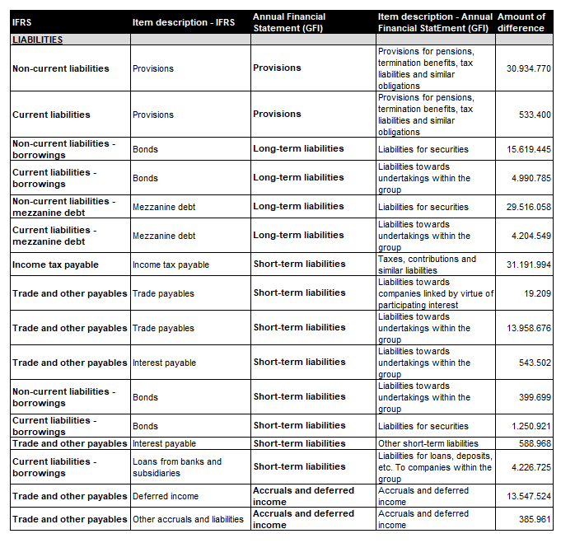
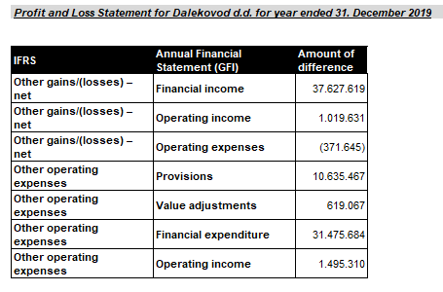
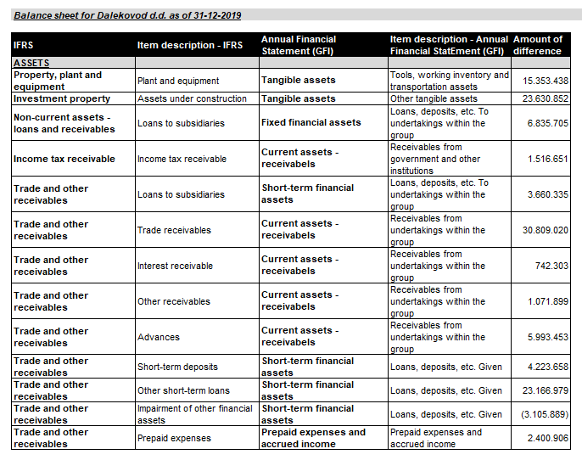 NOTES TO THE ANNUAL FINANCIAL STATEMENTS (GFI) Name of issuer: Dalekovod d.d. OIB: 47911242222 Reporting period: Year 2019 Notes to the financial statements are to be drawn up in accordance with the International Financial Reporting Standards (hereinafter: IFRS) in such a way that they: a) present information about the basis for the preparation of the financial statements and the specific accounting policies used in accordance with the International Accounting Standard 1 (IAS 1), b) disclose any information required by IFRSs that is not presented elsewhere in the statement of financial position, statement of comprehensive income, statement of cash flows and statement of changes in equity, c) provide additional information that is not presented elsewhere in the statement of financial position, statement of comprehensive income, statement of cash flows and statement of changes in equity, but is relevant for understanding any of them. The notes to the financial statements, together with the auditor's opinion, are attached to the Annual Report, which can be find on the Company's website. The differences, that arise due to the different classification of items IFRS compared to the GFI, are presented below.

